Sheet2
Model Description | Basic Settings | Experiments Complete
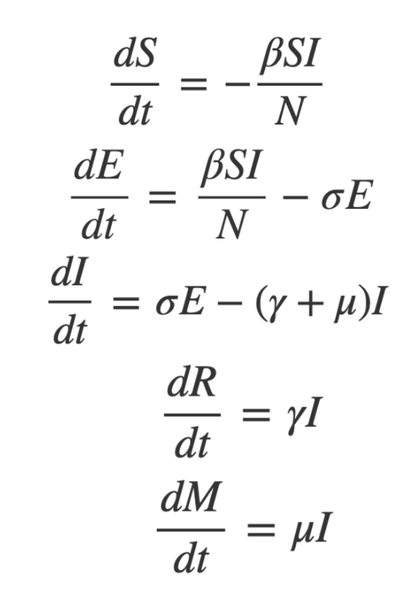 A. Fixed β-SEIRM Deterministic Compartment Model (Basic) y_t ~ lognorm(mean= αE(A)_t/5, sd=tau) | 1. Simulation dataset of y_t 2. prior settings of parameters 3. proposal settings of parameters 4. initial values of parameters 5. MCMC number of burn-ins & iterations Parameter Prior Settings: sigma ~ truncated_gaussian(0.20379467, 0.2, lower = 0) gamma ~ truncated_gaussian(0.12460946, 0.2, lower = 0) beta ~ truncated_gaussian(0.57586873, 0.3, lower = 0) mu ~ truncated_gaussian(0.001, 0.001, lower = 0) tau~uniform(0,1) Parameter Initial Fixed Values: Sigma= 0.19 Gamma= 0.2 Beta= 0.53 Mu= 0.0015 Parameter Proposal Settings: sigma ~ gaussian(sigma, 0.01) gamma ~ gaussian(gamma, 0.01) beta ~ gaussian(beta, 0.01) mu ~ gaussian(mu,0.001) tau ~ truncated_gaussian(tau,0.0001, lower=0) | Small simulation dataset 1 day unit-2 days vs Large simulation dataset-365 days vs Large simulation dataset-365 days for half day unit; Prior of sigma changes; Prior of tau changes; Proposal distribution changes; Proposal sd of tau changes; Proposal sd of sigma & gamma changes; MCMC iterations changes: 1 burn-in+1000/5=200 iterations vs 1000 burn-in+1000000/5=200000 iterations
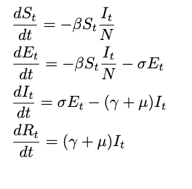 B. Fixed β-SEIR Deterministic Compartment Model (Intermediate) y_t ~ lognorm(mean= αE(A)_t/5, sd=tau) | 1. Simulation dataset of y_t 2. prior settings of parameters 3. proposal settings of parameters 4. initial values of parameters 5. MCMC number of burn-ins & iterations Parameter Prior Settings: sigma ~ truncated_gaussian(0.20379467, 0.2, lower = 0) gamma ~ truncated_gaussian(0.12460946, 0.2, lower = 0) beta ~ truncated_gaussian(0.57586873, 0.3, lower = 0) mu ~ truncated_gaussian(0.001, 0.001, lower = 0) tau~uniform(0,1) Parameter Initial Fixed Values: Sigma= 0.19 Gamma= 0.2 Beta= 0.53 Mu= 0.0015 Parameter Proposal Settings: sigma ~ gaussian(sigma, 0.01) gamma ~ gaussian(gamma, 0.01) beta ~ gaussian(beta, 0.01) mu ~ gaussian(mu,0.001) tau ~ truncated_gaussian(tau,0.0001, lower=0) | Small simulation dataset 1 day unit-2 days vs Large simulation dataset-365 days vs Large simulation dataset-365 days for half day unit; Prior of sigma changes; Prior of tau changes; Proposal distribution changes; Proposal sd of tau changes; Proposal sd of sigma & gamma changes; MCMC iterations changes: 1 burn-in+1000/5=200 iterations vs 1000 burn-in+100000/5=20000 iterations
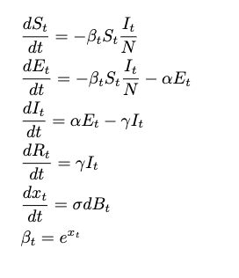 C. Fixed β-SEIR Deterministic Compartment Model (Intermediate) y_t ~ lognorm(mean= αE(A)_t/5, sd=tau) | Parameter Prior Settings: alpha ~ truncated_gaussian(1.59, 0.02, lower = 0) // alpha is the period here, not the rate, i.e. 1/k is the rate gamma ~ truncated_gaussian(1.08, 0.075, lower = 0) // gamma is the period, not the rate sigma ~ uniform(0,1) x0 ~ uniform(-5,2) I0 ~ uniform(-16, -9) E0 ~ uniform(-16, -9) R0 ~ truncated_gaussian(0.15, 0.15, lower = 0, upper = 1) tau ~ uniform(0, 1) Initial State settings: S <- N R <- R0*S S <- S - R E <- exp(E0 + log(S)) S <- S - E I <- exp(I0 + log(S)) S <- S - I x <- x0 Z <- 0 Parameter Proposal Settings: alpha ~ gaussian(alpha, 0.005) sigma ~ gaussian(sigma, 0.01) gamma ~ gaussian(gamma, 0.01) x0 ~ gaussian(x0, 0.05) E0 ~ gaussian(E0, 0.05) I0 ~ gaussian(I0, 0.05) R0 ~ gaussian(R0, 0.05) tau ~ gaussian(tau, 0.05) | 37 weeks real data+simulating data for 1000 burn-ins & 100000/5=20000 iterations;
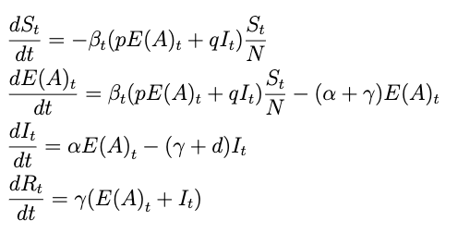 D. Fixed β-SEIR Deterministic Compartment Model (Intermediate) y_t ~ lognorm(mean= αE(A)_t/5, sd=tau) | Parameter Prior Settings: alpha~ truncated_gaussian(5.6, 5, lower = 0) // alpha is the period here, not the rate, i.e. 1/alpha is the rate gamma ~ truncated_gaussian(11.5, 2.9, lower = 0) // gamma is the period, not the rate sigma ~ uniform(0,1) x0 ~ uniform(-5,2) I0 ~ uniform(-16, -9) E0 ~ uniform(-16, -9) R0 ~ truncated_gaussian(0.15, 0.15, lower = 0, upper = 1) tau ~ uniform(0, 1) Initial State settings: S <- N R <- R0*S S <- S - R E <- exp(E0 + log(S)) S <- S - E I <- exp(I0 + log(S)) S <- S - I x <- x0 Z <- 0 Parameter Proposal Settings: alpha ~ gaussian(alpha, 0.005) sigma ~ gaussian(sigma, 0.01) gamma ~ gaussian(gamma, 0.01) x0 ~ gaussian(x0, 0.05) E0 ~ gaussian(E0, 0.05) I0 ~ gaussian(I0, 0.05) R0 ~ gaussian(R0, 0.05) tau ~ gaussian(tau, 0.05) | COVID-19 England 60 weeks real weekly data: 2020.2.3-2021.3.28 in England

